example calculation
$$\frac{\text{native}}{\text{arerage} \text{surrogate}}\text{ = }\text{0.3287968}\text{x}$$
$$\text{x}\text{ = }\text{nmole}\text{/}\text{liter}$$
R output
 |  |  |  |  |  |  | NOTE:
 |  |  |  |  |  |  | y = mx + b, b = 0

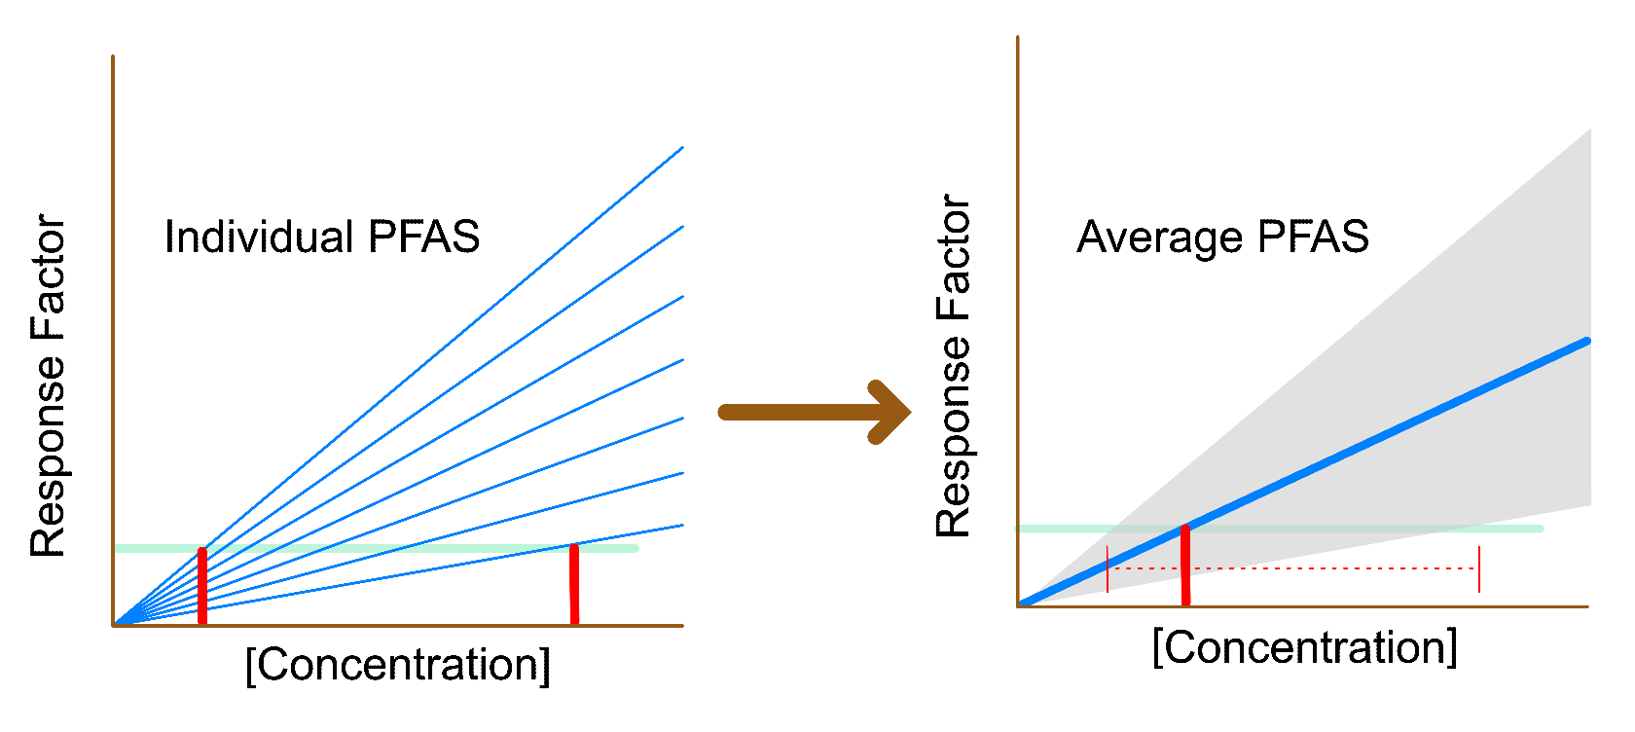
 | slope = 0.3287968

Example
Suppose one of your targets was actually a suspect PFAS without an authentic standard and therefore no calibration curve.
Borrow line 152:
ng.L | molecular.weight | native.response | average.surrogate.response | nmoles.L | response
5000 | 213.986476 | 374700 | 327185 | 23.365962623 | 1.1452224835

Calculate
$$\frac{\text{374700}}{\text{327185}}\text{ = }\text{0.3287968}\text{x}$$
$$\text{x}\text{ = 3.483074197 }\text{nmole}\text{/}\text{liter}\text{ = 745.3307731 }\text{ng}\text{/}\text{liter}$$

 |  |  |  |  |  | https://pubs.acs.org/doi/10.1021/jasms.3c00019

